Cavity Resonance Calc
PCB First Cavity Resonance calculator

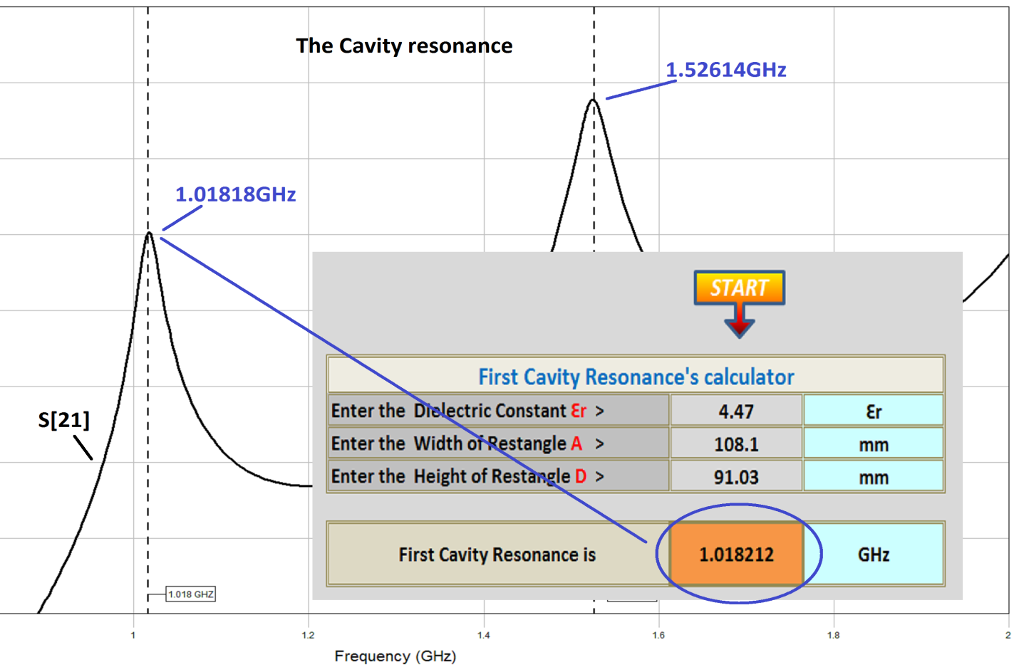
Enter the Dielectric Constant Ԑr > | 30 | Ԑr
Enter the Width of Restangle A > | 25 | mm
Enter the Height of Restangle D > | 25 | mm

First Cavity Resonance is: | 1.548122 | GHz

 |  |  | MILs / mm calculator
 |  |  | Enter MILs > | 39.37 | 1 | mm
 |  |  | Enter mm > | 1 | 39.37 | MILs

Produced by Alex Lapayev

